WorkFlow_Detail
WebFlow Request
WebFlow PreRun
WebFlow Execution
WebFlow Coordination
WebFlow Plant Introduction
WebFlow Completion
Closing
WebFlow Instance

Container CR
Sign Container Approval (Form-B)

Customer
(Honda)
ECU Info Sheet

1. Calibration Status List
2. ECU-MST
3. Result Data assessment
4. Release Note CAL
5. OT report
6. AT report

CAL
Calibrated Hex for Container
SSD
(Compliance Data check)

1. emFace report
2. PVP
3. PVER delivery documentation
4. Risk Assessment document
5. Release document signed by customer (FORM-B approval)
6. Release Note SW

Hexdump analysis

Container release information (*1)
Container Approval (Form-B) preparation
REVIEW
Trigger ECR approval
SW project team
ECH, EJV

REVIEW
REVIEW
Review report
 |  | SWPD |  |  |  |  | ECU PjM
 |  |  | Author : SWPD
 |  |  | Reviewer : ProjSWSD + ECU PjM + ECH1 |  |  | Author : SWPD |  |  |  | SPjM
 |  |  |  |  |  | Reviewer : ProjSWSD + ECU PjM + ECH1

SecBOM XML
 |  |  |  | Author : SWPD |  |  |  | SPjM
 |  |  |  | Reviewer : ProjSWSD + ECU PjM + ECH1

SRR, SRD Test + Customer tool flashing test (DSTi)
Webflow job creation
SSD has no deviation
Container creation
ECR routing
Close Webflow

Container team
 |  |  |  |  | Reference estimation: 1 day/ container + SRD
 |  |  |  |  |  |  |  |  | Reference estimation: 1 day

ECR preparison
Finalized ECR and send to plant
Route to Completion
Series support team
PS-EC/EHB6 Series Production Support (PS-EC/EHB6) <Series.Production.Support.DGSECEHB6@de.bosch.com>

Development number
Hardware part number
Product release state
(imported from Sales System (RACE))
Re-flash/ Trial/ PPAP documentation
receive result from project team

HW Product Development
Plant team

Review and confirm ECR
Sale team

(*1) | Container release information template

Master sheet
One project all variant / mask release information should be keep same sheet. MP1,2,3,xxxx
Different project should be prepared different book to avoid confusion difference of security etc....
Added from original sheet
 | HONDA 62XS CONTAINER

 | General info |  |  |  |  |  |  |  |  |  |  | Web Flow Request Phase Review |  | Execution Phase Review |  | 0. Create new Job |  |  | 1. Configurator items |  |  |  |  |  |  |  | 2. Webflow General Info |  |  |  |  |  |  |  |  |  | 3. Bosch logisic info |  |  |  |  | 4. Customer logisic info |  |  |  |  | 5. Ident Number |  |  |  |  |  |  | 6. ECU info |  |  |  |  | 7. Customer |  | 1 | 2 | 3 | 4 | 5 | 6 | 7 | 8 | 9 | 10 | 11 | 12 | 13 | 14 | 1 | 2 | 3 | 4 | 5 | 6 | 7 | 8 | 9 | 10 | 11 | 12 | 13 | 14 | 7. Customer |  |  |  |  |  |  | Other information for FormB and ECR preparation.
← Past project Reference | No. | Date | Requirement or Implementation? | Project name | Project No | SOP | Customer Event Purpose | Webflow No. with Link | DWG NO. (I14229_numCompID_CA) | Bosch SW part No./Container No. | Variant info | [Before WebFlowCreation] Put Date and participants | [After WebFlowCreation] Put Date and participants | [Comparison Result] | [After ContainerCreation] Put Date and participants | ECU Generation | Brand | ECU Type | Delivery Type | Release Class | Release Scope | Limitations | Safety Monitoring SW by RB | Has Bosch responsibility for Safety Calibration? | Has Bosch Cal Data Responsibility beside Safety Calibration? | Is Bosch responsible for data integration? | Vehicle Model | Power (kW) | Immo-bilizer & Immo.Type | Displace-ment | Model year | Engine family | Emission norm | Transmission type | Market | Num. Of Cylinder | Proj No./ (1st part, Cust. Code No.) | Proj No./ (2nd part, Cust. Code No.) DWG NO. (I14229_numCompID_CA) wo "-" | HW part number BOSCH HW Ident no. (Sachnummer HW) | Developement No. BOSCH HW Development Number (B-Nummer) | ECU HW name Include ECU population No. | Cust. Order No. DWG NO. (I14229_numCompID_CA) | Cust. HW part No. | Cust. SW part No. BOSCH SW No. (SSECUSN - $9F) | Car info (opt) | Cusomer name | Lead plant | SW ECR number | Bosch SW part No./Container No. BOSCH SW No. (SSECUSN - $9F) | Program version | Data version PST Name DST Name | Container Checksum from Flow5 | PAV No. (input by HW team) | Indi Spec | Family Name | FSWID Project version | FSWID Program version | TP Level | ECU default ID | Initial Software ID Prog_ID_Boot (Initial Software ID in hex ) | ASCII CODE OF PROG_ID_BOOT (Please refer to "Initial Software ID" - Column AC) |  |  |  |  |  |  |  |  |  |  |  |  |  | HEX VALUES FOR ASCII CODE OF PROG_ID (Input to the FLOW tag PROG_ID_BOOT) |  |  |  |  |  |  |  |  |  |  |  |  |  | ECU progam ID Created from Initial Software ID | ECU rewriting ID | Security coefficient | Security Key | Security Key identifier (SecuAcs_numCustTyp10SC_C) | SW version (Only MG1) Automatic input | Component ID (Only MG1) Not used at this moment | DWG NO. (I14229_numCompID_CA) | ECU ID I14229_numReWrECUID_CA Sysmat : Service$22-DID$2600 | CALIB ID. (UaccAppl_CalID_ASC) (I14229_numProgID_CA) (I15031Carb09_numCID_CA ) | Prog_ID_Boot (Initial Software ID in hex ) | Field 11 Field 16 PART NO. | Field 15 PART NO. | Field 12 EC MARK Field 13 EU Mark | Field 13 Field 14 SS ID
62XS Example | 1 | 2025-09-12 | REQ | HONDA GDI | AP2 FFV | 2027-01-01 | ReFlash for DAN-0/MP0 | WF208164 | 37820-62X-MD10-M6 | 10SW125836 | 4Dr - Low | 2025/9/12 Baba Komagamine | 2025/9/12 Baba Komagamine | OK | 2025/9/12 Baba Komagamine |  |  |  |  |  |  |  |  |  |  |  | City | 66 | Active|IMMO6 | 1.5 | MY27 | AP2 FFV | PROCONVE L8 | CVT | Brazil | 4 | 159 | 3782062XMD10M6 | 0261S10A2Y | 0261B00CE7-00 | MG1CS022 | 37820-62X-MD10-M6 | 37820-62X-MD10-M6 | 10SW125836 | Car | HONDA | SaW | 4740030560 | 10SW125836 | MG1CS022_62XSC_V030_MP0 | MG1CS022_62XSC_V030_L8-2_FFV_4Dr_Lo_Gt05_MP0_VIN_IMMO_ON.hex | E31347E3 | - | Honda_MG1CS022_CS_IndiSpec_01 | MG1CS022 | 62XS | V030 | TP3 | FFFFEFFFFFEE0E000000 | 37805-62X-MD10 | 3 | 7 | 8 | 0 | 5 | - | 6 | 2 | X | - | M | D | 1 | 0 | 33 | 37 | 38 | 30 | 35 | 2D | 36 | 32 | 58 | 2D | 4D | 44 | 31 | 30 | 33373830352D3632582D4D443130 |  | FFFFFFFFFFFF | Prototype | Prototype |  |  | 37820-62X-MD10-M6 | 02-27-43-00-01 | D7805-62X-MD10 | 37805-62X-MD10 | - | 37820-62X-MD1 | 7C8 | 41X
66VT Example | 1 | 2025-09-12 | REQ | HONDA GDI | AP4 | 2022 | 66VA - MP4 container with TP active | WF198418 | 37820-66V-H050-M6 | 10SW119353 |  | 2025/9/12 Baba Komagamine | 2025/9/12 Baba Komagamine | OK | 2025/9/12 Baba Komagamine |  |  |  |  |  |  |  |  |  |  |  | Civic | - | Active|IMMO6 | - | MY22 | 66VA | China6b | MT | CHINA | 4 | 159 | 3782066VH050M6 | 0261S109UU | 0261B00C5R | MED17.9.3 | 37820-66V-H050-M6 | 37820-66V-H050-M6 | 10SW119353 | Car | HONDA | - | 4740027606 | 10SW119353 | 66VA_V340S30 | HON1793A6_66VA_V340S30_TPROT_MP4_KH_H040_Yae062_HPT_HPT.hex | 9706E761 | - | V2 | MED17.9.3 | 66VA | V340S30 | TP3.1 |  | 37805-66V-H010 | 3 | 7 | 8 | 0 | 5 | - | 6 | 6 | V | - | H | 0 | 1 | 0 | 33 | 37 | 38 | 30 | 35 | 2D | 36 | 36 | 56 | 2D | 48 | 30 | 31 | 30 | 33373830352D3636562D48303130 |  | 4F4349561344 | NA | NA |  |  | 37820-66V-H050-M6 | 30-22-05-00-1C | 37805-66V-H040 | 37805-66V-H010 | - | 37820-66V-H05 | UJQ | UJQ
Template | 1 | yyyymm/dd | REQ | HONDA GDI HONDA DIE (Diesel) | APx | yyyy/mm | Project name / MPx | WebFlow No. and put link of WebFlow | Take from InfoSheet | ******** | ******** | Review Date Participants A Participants B | Review Date Participants A Participants B | OK | Review Date Participants A Participants B | MG1 Mx17 EDC17 | Honda | MG1CS022 MED17.9.3 EDC17C58 |  |  |  |  |  |  |  |  | 62XS 66VT P1327 | *** | Gen6 | *** | MY** | AP2 AP4T X3WA | PROCONVE L8 Eu6b | *** | Brazil | * | 159 | **** | **** | **** | MG1CS022.x | TakefromInfoSheet | TakefromInfoSheet | ******** | City Civic CR-V | HONDA | SaW | ***** | ***** | ***** | ***** | ***** | - | ** | MG1CS022.x | 62XS 66VT P1327 | **** | MG1: TPx Mx17 : TPx.x | Take previous MPx value in same project case. If new project following value should be taken FFFFEFFFFFEE0E000000 | 37805-66V-H010 | 3 | 7 | 8 | 0 | 5 | - | 6 | 6 | V | - | H | 0 | 1 | 0 | 33 | 37 | 38 | 30 | 35 | 2D | 36 | 36 | 56 | 2D | 48 | 30 | 31 | 30 | 33373830352D3636562D48303130 | Take previous MPx value in same project case. If new project following value should be taken 01000000 | Mx17 / Diesel -> Take from Info sheet and input WebFlow with Hi/Lo byte invert MG1 without CS -> Take from Info sheet and input WebFlow without Hi/Lo byte invert MG1 with CS -> FFFFFFFFFFFF | *** | *** | *** | *** |  |  |  |  | -
 | 1 |  | REQ |  |  |  |  |  |  |  |  | yyyy/mm/dd Participants | yyyy/mm/dd Participants | OK | yyyy/mm/dd Participants |  |  |  |  |  |  |  |  |  |  |  |  |  |  |  |  |  |  |  |  |  |  |  |  |  |  |  |  | 0 |  |  |  |  | 0 |  |  |  |  |  | 0 |  |  |  |  |  |  |  |  |  |  |  |  |  |  |  |  |  |  |  | #VALUE! | #VALUE! | #VALUE! | #VALUE! | #VALUE! | #VALUE! | #VALUE! | #VALUE! | #VALUE! | #VALUE! | #VALUE! | #VALUE! | #VALUE! | #VALUE! | #VALUE!
 | 2 |  | REQ |  |  |  |  |  |  |  |  | yyyy/mm/dd Participants | yyyy/mm/dd Participants | OK | yyyy/mm/dd Participants |  |  |  |  |  |  |  |  |  |  |  |  |  |  |  |  |  |  |  |  |  |  |  |  |  |  |  |  | 0 |  |  |  |  | 0 |  |  |  |  |  | 0 |  |  |  |  |  |  |  |  |  |  |  |  |  |  |  |  |  |  |  | #VALUE! | #VALUE! | #VALUE! | #VALUE! | #VALUE! | #VALUE! | #VALUE! | #VALUE! | #VALUE! | #VALUE! | #VALUE! | #VALUE! | #VALUE! | #VALUE! | #VALUE!

Term
Decide base on Container event
1. The webFLOW Configurator fields:
o Delivery Type:
The delivery type describes to whom we release. The selections decide about consequences, necessary actions.
Options | Description
Plant Introduction | The flash container will be forwarded to Bosch ECU plant
Customer EOL Flashing | The flash container will be forwarded to Customer for end of line flashing at vehicle plant
Plant + customer EOL | The flash container will be forwarded to Bosch, Bosch ECU and Customer vehicle plant

o Release Class
The release class describes how the product can be used. The selections decide about consequences, necessary actions.
Options | Description
Decide base on Container event
D-Muster | D-Sample Release, Initial Sample with test report for the customer as basis for release for series production delivery, not for end customer usage
Pilot | Similar like Pre-production, Pilot series to prove out production robustness, not for end customer usage
Pre-Production | To do production preparation in customer vehicle plant only; no end customer use intended and allowed
Production | Production, ready to use for end customer
Field Fix | A fix for an issue occurred in field, to update a previously delivered production release, ready to use for end customer
Customer service | A fix based on customer request, to update a previously delivered production release, ready to use for end customer
EWAK | To do production preparation in RB ECU plant only; no end customer use intended and allowed
Test | Only for testing, not allowed for production, production preparation or end customer use

For 62XS project, Bosch will release "Program and Data"
o Release Scope
The delivery type describes what do we release. The selections decide about consequences, necessary actions.
Options | Description
Data | Calibration data only will be released
Program and Data | Application SW and Calibration data will be released
Program | Application SW only will be released
Basis software | Base SW only will be released
Boot software | Boot SW only will be released

Decide base on Container event
o Limitations
Are there limitations to operate the vehicle applied, e.g. max speed limit, max engine revolution, limit, gear shift limit?
Options | Description
NO | This series release has no limitation, can be fully operated.
YES – LIMITED | This series release has limitations, to avoid full operation. This release is not allowed for end customer use, must be re-flashed in all cases.
YES - NO START | This series release has limitations, applied through no start configuration or calibration data. The SW cannot be operated and must be re-flashed in any case.

o Limitation Description
Please describe in detail how limitations of vehicle operation has to be applied. This information is in-line with the information to be sent to customer.
o Safety Monitoring SW by RB
Safety Monitoring SW by RB
o Is Bosch responsible for data integration?
Is Bosch responsible for calibration data integration, means merging all calibration to one data set? The selections decides about consequences, necessary actions, e.g. data assessment of final system test.
o Has Bosch responsibility for Safety Calibration?
This field is used to identify whether Bosch is responsible for safety monitoring calibration? The selections decide about consequences, necessary actions, e.g. ECU-MST.
o Has Bosch Cal Data Responsibility beside Safety Calibration?
This field is used to identify whether Bosch is responsible for any calibration beside safety monitoring calibration? The selections decide about consequences, necessary actions.
o Functional limitations are mentioned in clear text in the release documentation
The way to limit the operation of the vehicle or system is described in release notes towards customer. Activating this check box confirms this.
o Functional Safety is ensured in the non-limited area
Functional Safety requirements are met in the non-limited area, confirmed by safety monitoring team. Activating this check box confirms this.

2. WebFLOW General Info:
o Model:
For 62XS project => 62XS

o Power [kW]:
93 | AP2_City_62XS_MY27_MG1_Internal_KickOff_2023-12-04.pptx Page 6.
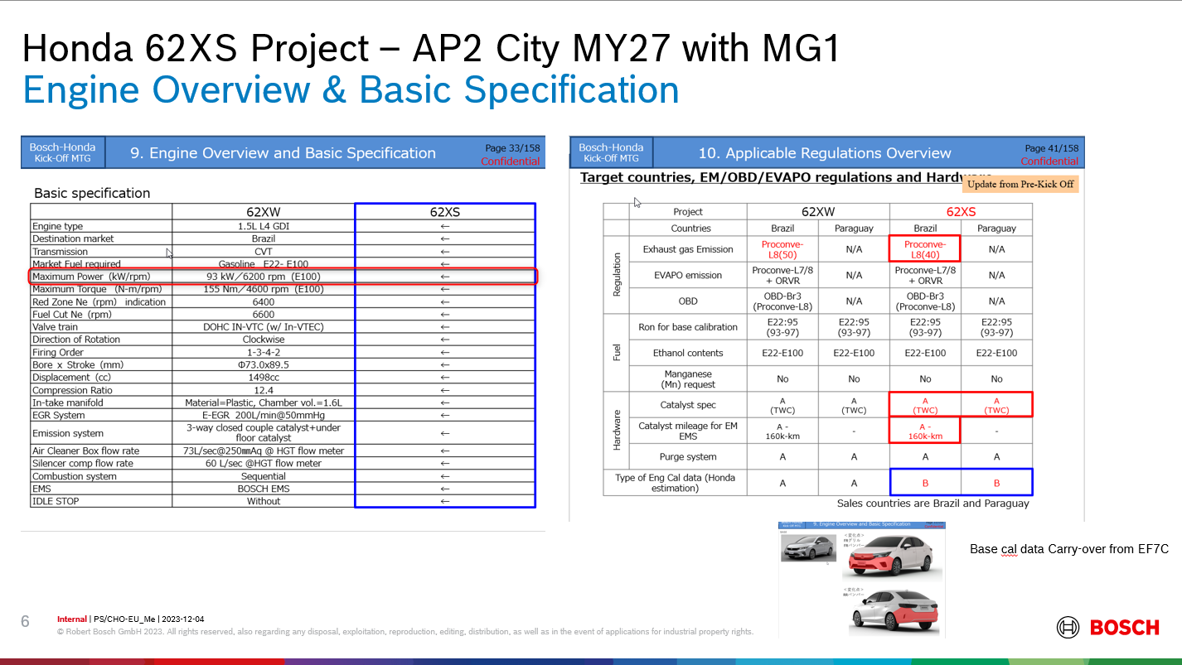

o Immo-bilizer:
For 62XS project => IMMO6 | 62XS Development Requirement Document for Kick Off Meeting Rev08_.pptx Page 64.
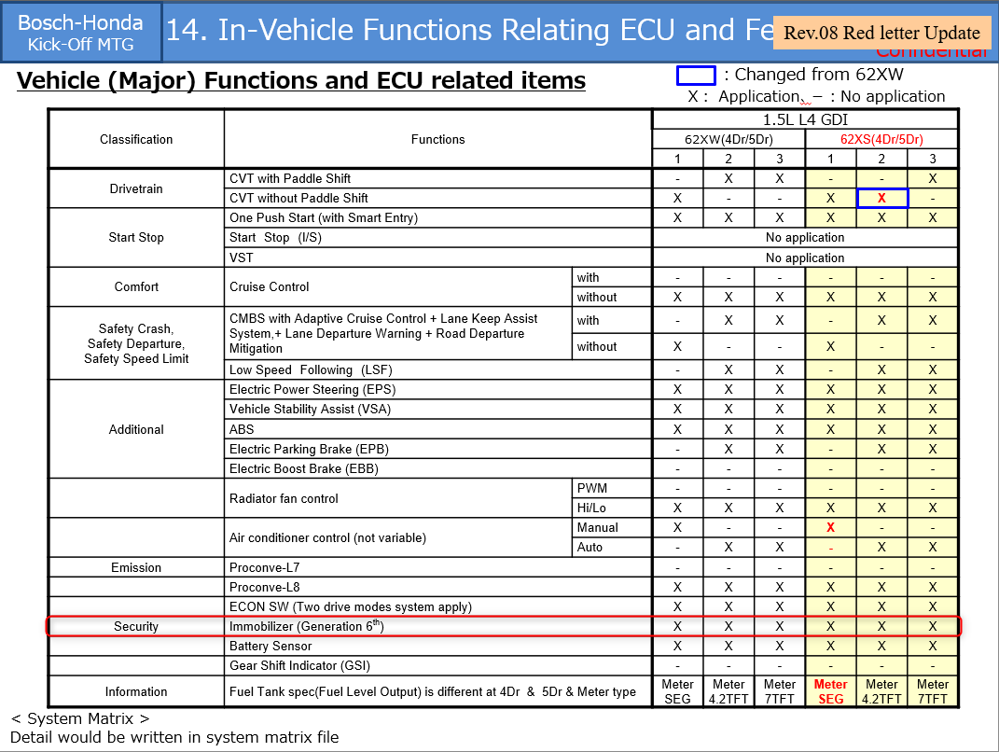

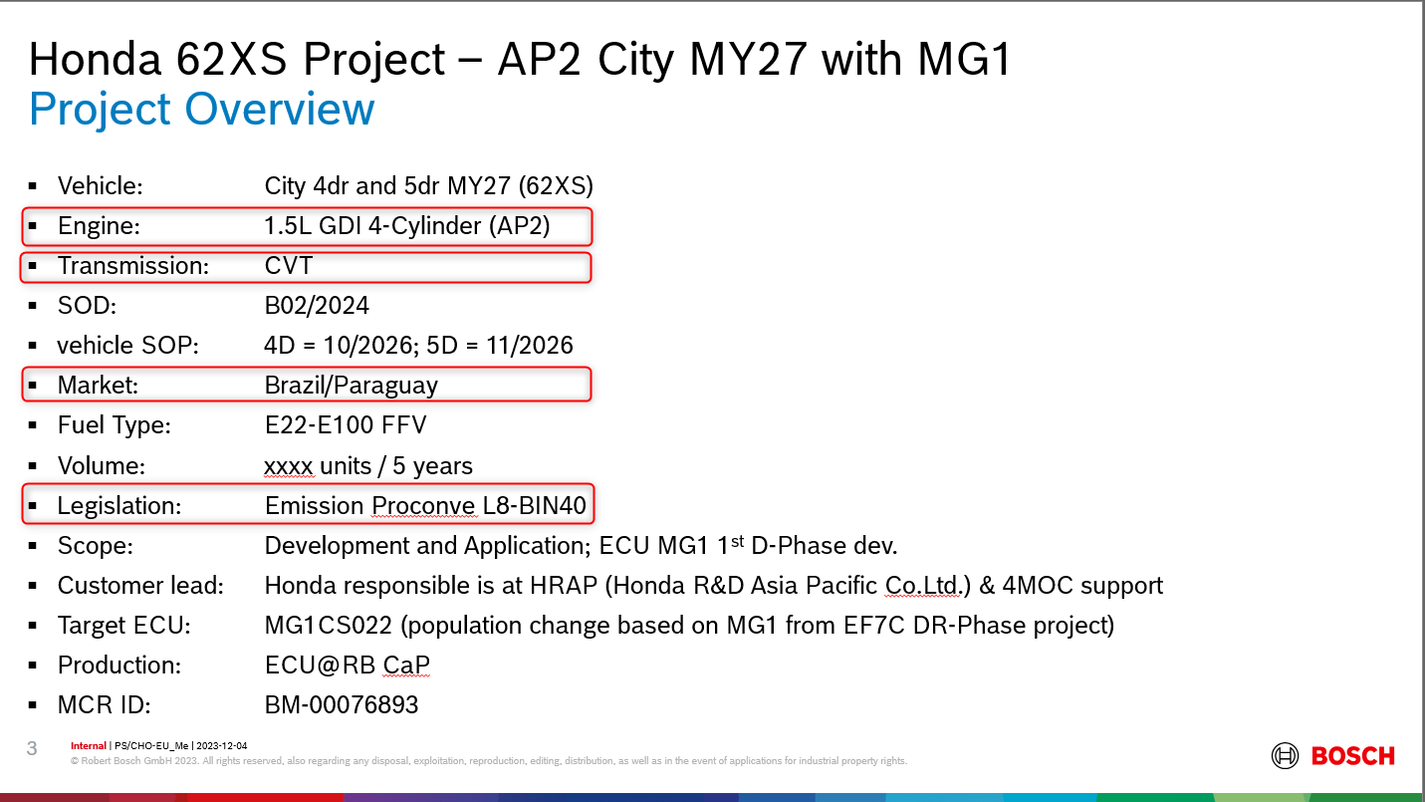
o Displacement: (Displacement in liter) | AP2_City_62XS_MY27_MG1_Internal_KickOff_2023-12-04.pptx Page 3.
1.5

o Model Year:
62XS project: 2026
Model year of car
Example value: 2009

o Engine family:
62XS project: AP2 FFV

o Emission norm:
62XS project: PROCONVE L8

o Transmission type:
62XS project: CVT

o Market:
62XS project: Brazil

o Number of cylinders:
62XS project: 4

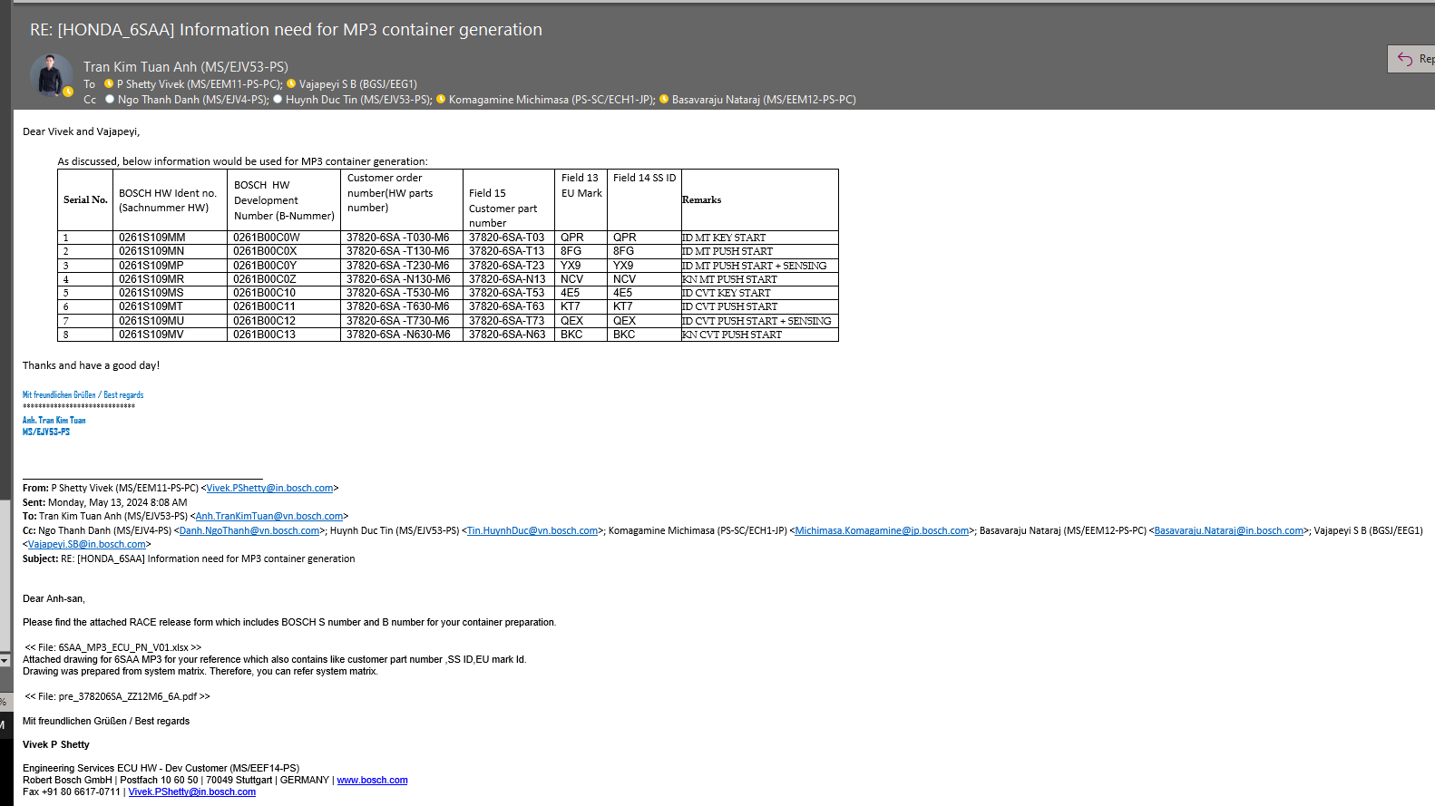
3. Bosch logisic info:
o Proj No./ (1st part, Cust. Code No.):
Honda project always use Project code "159"

o Project number (2nd part, Project Code Number) :
Not required in MG1 Gasoline project. However, Honda project usually keep same as "Customer order number" and remove "-"
Example value: 378056SAT010
Ask HW team to get this value

o Hardware part number :
Bosch Hardware identification number
It starts with 0281 for DS projects and with 0261 for GS projects.
Example value: 0261S107UR
Ask HW team to get this value

o Development number :
Bosch Hardware identification number during development phase
It starts with 0281B for DS projects and with 0261B for GS projects. Hybrid projects may start with 0437B.
Example value: 0261B00B3D
Ask HW team to get this value

4. Customer logisic info:
o Customer order number:
Example value: 337820-6SA-T01
Ask HW team to get this value
Check again 6SAA
o Customer hardware part number:
Example value: 337820-6SA-T01
Ask HW team to get this value

o Customer software part number:
Example value: 10SW111889
Honda project usually use Container name

o Car:
Optional information only, usually fill "Car"
Example value: Car / AMAZE / CITY

Test version => SiP_test
Other: SaW
5. Ident Number:
o Lead plant:
Lead plant for the release. For test releases SiP_test has to be used as lead plant.
SiP_test will provide formal correct numbers without wasting real numbers. Alos this leadplant will exclude those jobs from quality monitoring (spot checks…).
SaW (Salzgitter Werk) is the German meaning of SzP (Salzgitter plant). For most projects this is the lead plant.
Exceptions are there for hybrid projects, for which RtW2 (Reutlingen Werk) is the lead plant. Additional production plants can get documented by import from HIS (refer to frame Hardware/Plant information).
Example value: SaW

Generated from Pool
o ECR number:
Bosch number of engineering request slip (Änderungsscheinnummer).
The number is taken from a number pool, which depends on the chosen ‘Lead plant’.
Automatic selection happens via pushing the button ‘Import from pool’ next to the field.
Selection will only be possible, if ‘Lead plant’ is chosen and ‘FSW_Container creation required’ is set to ‘yes’.
There is no number pool available for lead plant RtW2 (Reutlingen Werk).
Example value: 1039T42251

Generated from Pool
o Software part number :
Software part number for the release. The number is taken from a number pool, which depends on the chosen ‘Lead plant’.
Automatic selection happen via pushing the button ‘Import from pool’ next to the field. Selection will only be possible, if ‘Lead plant’ is chosen.

Pick from PVER list
o Program version :
Program version in Nestor or SDOM
Example: MG1CA020_6SAA_V064_TPROT

o Data version :
Same name as Dataset
Example: MG1CA020_6SAA_V064_N_TPROT_CVT_IND_ZX_MM167_HPT.hex

6. ECU info:
o Specification-ID for PAV (INDI_SPEC):
Specification ID of the ECU Individualization Specification
Ask PSecM to get the correct version of IndiSpec
Example: Honda_MG1CA020_IndiSpec_01

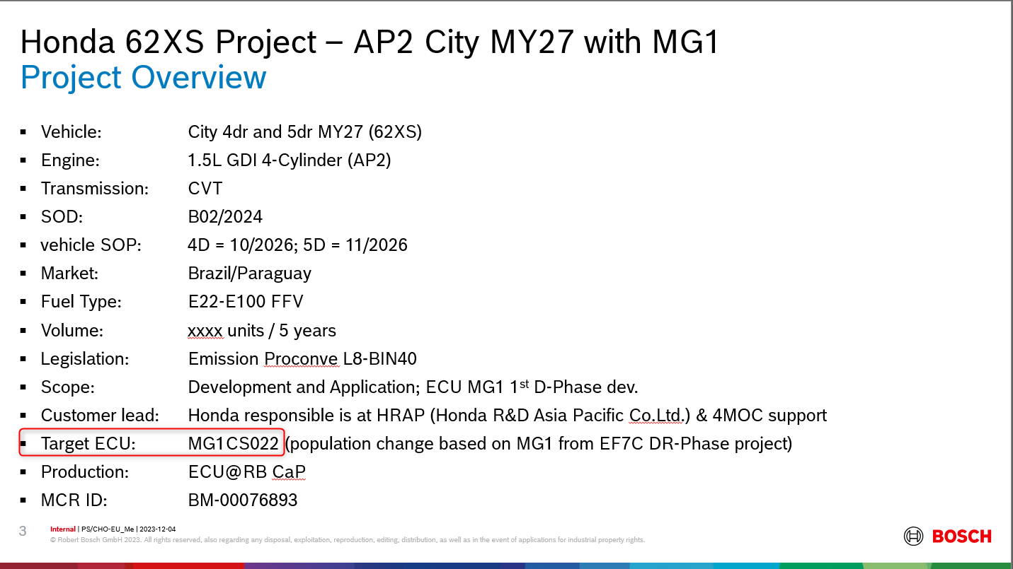
o Family name (FAM_NAME) : | AP2_City_62XS_MY27_MG1_Internal_KickOff_2023-12-04.pptx Page 3.
For 62XS project: MG1CS022

o FSWID Project version :
Project code in 4 characters
For 62XS project: 62XS

o FSWID Program version :
PVER version which is used to create container (in 4 characters)
Example: V020

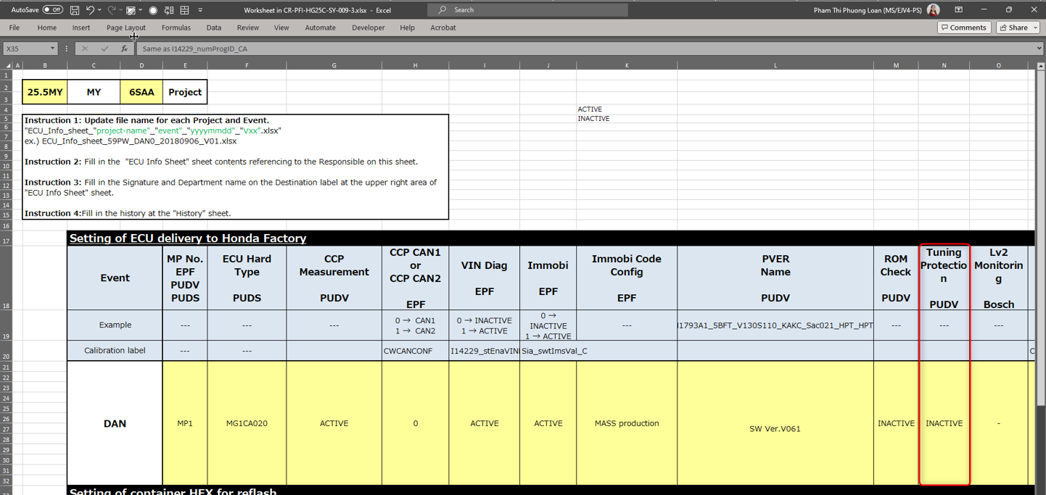
o TP Level :
Depend on each event. in MG1 project, to be decided base on ECU Info sheet from Customer
62XS is MG1 project. If Tuning Protection is "INACTIVE" => TP level 3. "ACTIVE" => TP level 9

7. Customer:
o ECU default ID:
In hex format. Honda project use : FFFFEFFFFFEE0E000000

o ECU progam ID: | Refer to ECU Info sheet
In hex format, Refer to ECU Info sheet + double check with I14229_numProgID_CA in calibrated hex
Example value : 33373830352D3653412D54373230
ASCII: 37805-6SA-T720
DEC: 51 55 56 48 53 45 54 83 65 45 84 55 50 48

o ECU rewriting ID:
In hex format. Honda project use : 00000000

o Security coefficient:
In hex format. Same as (SecuAcs_numS1_C, SecuAcs_numS2_C, SecuAcs_numS3_C) from calibrated hex
This field is different between Mx17 and MG1 project

SecuAcs_numS1_C = DEC 8227 = 0x2023
SecuAcs_numS2_C = DEC 523 = 0x020B
SecuAcs_numS3_C = DEC 36880 = 0x9010

For MG1, byte order is the same: => Input value = 2023020B9010
For Mx17, byte order is inverted: => Input value = 23200B021090

o SW version:
New concept from 62XS project
To distinguish if there is 2 container is created within 1 day (1 hex)
Initial value = 01 and to be increase in case another container is created base on same hex

o Component ID :
New concept. To be used in the future. At current please leave it blank

